Data
Height | Weight | Age
69.0 | 112.5 | 14
56.5 | 84.0 | 13
65.3 | 98.0 | 13
62.8 | 102.5 | 14
63.5 | 102.5 | 14
57.3 | 83.0 | 12
59.8 | 84.5 | 12
62.5 | 112.5 | 15
62.5 | 84.0 | 13
59.0 | 99.5 | 12
51.3 | 50.5 | 11
64.3 | 90.0 | 14
56.3 | 77.0 | 12
66.5 | 112.0 | 15
72.0 | 150.0 | 16
64.8 | 128.0 | 12
67.0 | 133.0 | 15
57.5 | 85.0 | 11
66.5 | 112.0 | 15

Data0
Name | Height | Weight | Age | Averages | Median | Variance | Deviance | CART 2 level tree value | R2 Calculation
Joyce | 51.3 | 50.5 | 11.0 |  |  |  |  | 75.9 | SSE | 2680.8666667
Louise | 56.3 | 77.0 | 12.0 |  |  |  |  | 75.9 | SST | 9335.7368421 | Unexplained Variance
Alice | 56.5 | 84.0 | 13.0 | 75.9 | 83.0 | 169.04 | 845.200 | 75.9 | R2= | 0.71283823527 | 0.28716176473
James | 57.3 | 83.0 | 12.0 |  |  |  |  | 75.9
Thomas | 57.5 | 85.0 | 11.0 |  |  |  |  | 75.9
John | 59.0 | 99.5 | 12.0 |  |  |  |  | 96.5
Jane | 59.8 | 84.5 | 12.0 |  |  |  |  | 96.5
Janet | 62.5 | 112.5 | 15.0 |  |  |  |  | 96.5
Jeffrey | 62.5 | 84.0 | 13.0 | 96.5 | 99.5 | 97.071428571 | 679.500 | 96.5
Carol | 62.8 | 102.5 | 14.0 |  |  |  |  | 96.5
Henry | 63.5 | 102.5 | 14.0 |  |  |  |  | 96.5
Judy | 64.3 | 90.0 | 14.0 |  |  |  |  | 96.5
Robert | 64.8 | 128.0 | 12.0 |  |  |  |  | 112.5
Barbara | 65.3 | 98.0 | 13.0 |  |  |  |  | 112.5
Mary | 66.5 | 112.0 | 15.0 | 112.5 | 112.0 | 112.75 | 451.000 | 112.5
William | 66.5 | 112.0 | 15.0 |  |  |  |  | 112.5
Ronald | 67.0 | 133.0 | 15.0 |  |  |  |  | 131.8
Alfred | 69.0 | 112.5 | 14.0 |  |  |  |  | 131.8
Philip | 72.0 | 150.0 | 16.0 | 131.8 | 133.0 | 235.05555556 | 705.167 | 131.8
Total Var |  | 491.35457064
Avg |  | 100.026
Deviance |  | 9335.7368421
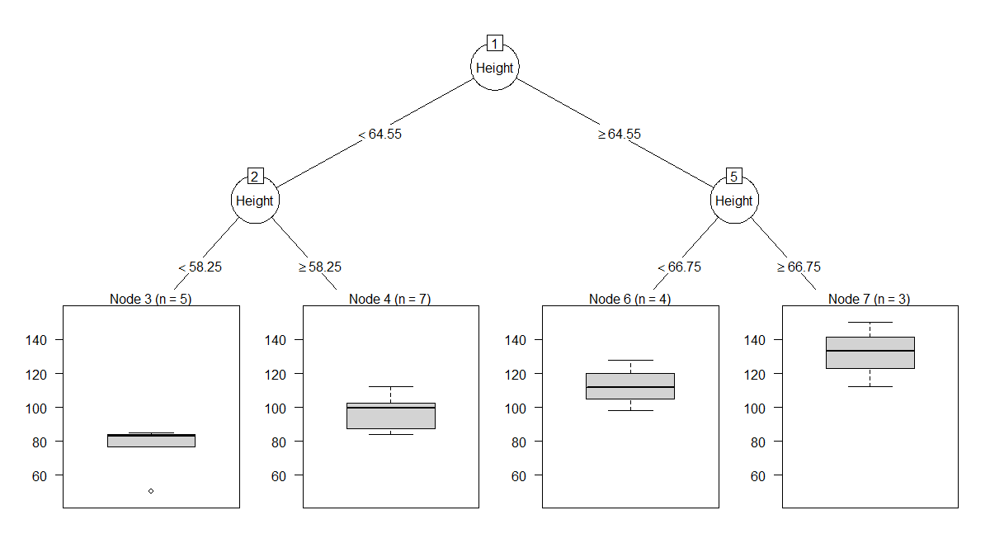

 |  |  |  | > print(CART_Model)
 |  |  |  | n= 19

 |  |  |  | node), split, n, deviance, yval
 |  |  |  | * denotes terminal node

 |  |  |  | 1) root 19 9335.7370 100.02630
 |  |  |  | 2) Height< 64.55 12 2762.4170 87.91667
 |  |  |  | 4) Height< 58.25 5 845.2000 75.90000 *
 |  |  |  | 5) Height>=58.25 7 679.5000 96.50000 *
 |  |  |  | 3) Height>=64.55 7 1796.9290 120.78570
 |  |  |  | 6) Height< 66.75 4 451.0000 112.50000 *
 |  |  |  | 7) Height>=66.75 3 705.1667 131.83330 *

 |  |  |  | > summary(CART_Model)
 |  |  |  | Call:
 |  |  |  | rpart(formula = Weight ~ Height, data = CART_data, method = "anova",
 |  |  |  | control = rpart.control(minsplit = 6, minbucket = 3, maxdepth = 2))
 |  |  |  | n= 19

 |  |  |  | CP nsplit rel error xerror xstd
 |  |  |  | 1 0.51162449 0 1.0000000 1.0921729 0.3787727
 |  |  |  | 2 0.13257836 1 0.4883755 1.0302337 0.2719482
 |  |  |  | 3 0.06863539 2 0.3557972 0.8459731 0.2199930
 |  |  |  | 4 0.01000000 3 0.2871618 0.6503839 0.1832511

 |  |  |  | Variable importance
 |  |  |  | Height
 |  |  |  | 100

 |  |  |  | Node number 1: 19 observations, complexity param=0.5116245
 |  |  |  | mean=100.0263, MSE=491.3546
 |  |  |  | left son=2 (12 obs) right son=3 (7 obs)
 |  |  |  | Primary splits:
 |  |  |  | Height < 64.55 to the left, improve=0.5116245, (0 missing)

 |  |  |  | Node number 2: 12 observations, complexity param=0.1325784
 |  |  |  | mean=87.91667, MSE=230.2014
 |  |  |  | left son=4 (5 obs) right son=5 (7 obs)
 |  |  |  | Primary splits:
 |  |  |  | Height < 58.25 to the left, improve=0.4480557, (0 missing)

 |  |  |  | Node number 3: 7 observations, complexity param=0.06863539
 |  |  |  | mean=120.7857, MSE=256.7041
 |  |  |  | left son=6 (4 obs) right son=7 (3 obs)
 |  |  |  | Primary splits:
 |  |  |  | Height < 66.75 to the left, improve=0.3565873, (0 missing)

 |  |  |  | Node number 4: 5 observations
 |  |  |  | mean=75.9, MSE=169.04

 |  |  |  | Node number 5: 7 observations
 |  |  |  | mean=96.5, MSE=97.07143

 |  |  |  | Node number 6: 4 observations
 |  |  |  | mean=112.5, MSE=112.75

 |  |  |  | Node number 7: 3 observations
 |  |  |  | mean=131.8333, MSE=235.0556

 |  |  |  | Keep in mind, CART can handle even categorical input / independent variables

Main
Height | Weight | Group | W-Est | Res | Variance | Deviance | R2 Calculation
51.3 | 50.5 | 1.0 | 75.9 | -25.4 | 169.0 | 845.2 | SSE | 2680.87
56.3 | 77.0 | 1.0 | 75.9 | 1.1 |  |  | SST | 9335.74
56.5 | 84.0 | 1.0 | 75.9 | 8.1 |  |  | R2= | 0.71
57.3 | 83.0 | 1.0 | 75.9 | 7.1
57.5 | 85.0 | 1.0 | 75.9 | 9.1
59.0 | 99.5 | 2.0 | 96.5 | 3.0 | 97.1 | 679.5
59.8 | 84.5 | 2.0 | 96.5 | -12.0
62.5 | 112.5 | 2.0 | 96.5 | 16.0
62.5 | 84.0 | 2.0 | 96.5 | -12.5
62.8 | 102.5 | 2.0 | 96.5 | 6.0
63.5 | 102.5 | 2.0 | 96.5 | 6.0
64.3 | 90.0 | 2.0 | 96.5 | -6.5
64.8 | 128.0 | 3.0 | 112.5 | 15.5 | 112.8 | 451.0
65.3 | 98.0 | 3.0 | 112.5 | -14.5
66.5 | 112.0 | 3.0 | 112.5 | -0.5
66.5 | 112.0 | 3.0 | 112.5 | -0.5
67.0 | 133.0 | 4.0 | 131.8 | 1.2 | 235.1 | 705.2
69.0 | 112.5 | 4.0 | 131.8 | -19.3
72.0 | 150.0 | 4.0 | 131.8 | 18.2
 | 491.35457064 |  |  |  |  | 2680.9
 | 9335.7

